Project5327
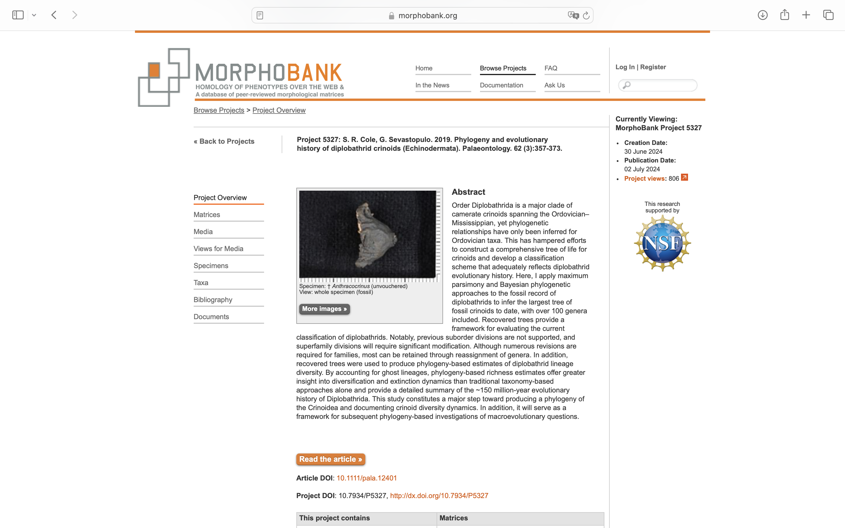
Charlabels | Character Pattern | Unseen States
[1] 'Symmetry' | Transformational | YES
[2] 'Calyx height/width' | Transformational | NO
[3] 'Calyx profile' | Transformational | YES
[4] 'Widest point in calyx' | Transformational | YES
[5] 'Calyx plate thickness measured on radial plate' | Transformational | YES
[6] 'Calyx plate cross-sectional shape' | Transformational | YES
[7] 'Calyx plate sculpturing' | Transformational | YES
[8] 'Sculpturing at base of calyx' | Neomorphic | NO
[9] 'Calyx base sculpturing base' | Transformational | YES
[10] 'Width/flattening of calyx base' | Transformational | YES
[11] 'Shape of circlet(s) at base of calyx' | Transformational | YES
[12] 'Calyx lobation at the position where arms become free' | Neomorphic | NO
[13] 'Short ray lobes built with fixed brachials' | Neomorphic | NO
[14] 'Calyx sutures' | Transformational | YES
[15] 'Infrabasal circlet' | Neomorphic | NO
[16] 'Infrabasals restricted to basal concavity' | Neomorphic | NO
[17] 'Infrabasals visible in side view' | NT2;0=0-;1=11;2=12
[18] 'Number of infrabasal plates' | Transformational | YES
[19] 'Infrabasal plate dimensions' | Transformational | NO
[20] 'Basals part of basal concavity' | Neomorphic | NO
[21] 'Basals visible in side view' | NT2;1=11;2=12;3=0-
[22] 'Number of basal plates' | Transformational | YES
[23] 'Basal plate dimensions' | Transformational | NO
[24] 'Relative sizes of basal plates (excluding CD basal)' | Transformational | NO
[25] 'Basals in sutural contact with interray plate(s) in regular interrays' | Neomorphic | NO
[26] 'CD basal plate differentiated from others' | Neomorphic | NO
[27] 'Radial circlet interruption' | NT?;0=0-;1=11;2=12;3=13
[28] 'Radials in contact with infrabasals (radials and basals in a single circlet)' | Neomorphic | NO
[29] 'Radial plate dimensions' | Transformational | NO
[30] 'Radial circlet visible in side view' | NT2;1=11;2=12;3=0-
[31] 'Radials part of basal concavity' | Neomorphic | NO
[32] 'Radial plates unequal in size' | Neomorphic | NO
[33] 'Relative size of radials, basals, and first interray plates' | Transformational | NO
[34] 'Relative size of radials and basals' | Transformational | NO
[35] 'Largest plates in calyx' | Transformational | YES
[36] 'Fixed interray plates present in regular interrays' | Neomorphic | NO
[37] 'Competency of interrays' | Neomorphic | NO
[38] 'Interray plating' | Transformational | NO
[39] 'Interray plating, if irregular' | Transformational | YES
[40] 'Interray profile' | Transformational | NO
[41] 'Number of interray plates in first row' | Transformational | NO
[42] 'Dimensions of first interray plate' | Transformational | NO
[43] 'Plates above first interray plate' | Neomorphic | NO
[44] 'Number of plates in second row' | Transformational | NO
[45] 'Approximate number of regular interradial plates' | Transformational | NO
[46] 'Size of interray plates relative to adjacent fixed brachials' | Transformational | NO
[47] 'Regular interrays depressed' | Neomorphic | NO
[48] 'Regular interrays with plating in biseries' | Neomorphic | NO
[49] 'Regular interrays in contact with tegmen' | Neomorphic | NO
[50] 'First posterior plate well defined as primanal' | Neomorphic | NO
[51] 'Accessory plates flanking primanal' | Neomorphic | NO
[52] 'Primanal in contact with CD basal' | Neomorphic | NO
[53] 'Primanal in contact with C and D radials' | Transformational | YES
[54] 'Primanal offset' | Neomorphic | NO
[55] 'Primanal dimensions' | Transformational | NO
[56] 'Number of plates in second row following primanal (NA if primanal offset or undefined)' | Transformational | NO
[57] 'Posterior interray profile' | Transformational | NO
[58] 'CD interray differentiated from other interrays' | Neomorphic | NO
[59] 'Extra plates in CD interray' | Neomorphic | NO
[60] 'CD interray width in comparison with regular interrays' | Transformational | YES
[61] 'CD interray in contact with tegmen' | Neomorphic | NO
[62] 'Anitaxis plating' | Neomorphic | NO
[63] 'Anitaxial ridge' | Neomorphic | NO
[64] 'Origin of anitaxial plating and/or ridge' | Transformational | YES
[65] 'Approximate number of posterior interray plates' | Transformational | NO
[66] 'Primaxil location' | Transformational | NO
[67] 'Median ray ridges' | Neomorphic | NO
[68] 'Fixed first primibrachial shape' | Transformational | YES
[69] 'Fixed first primibrachial dimensions' | Transformational | NO
[70] 'Maximum number of primibrachials' | Transformational | YES
[71] 'Maximum number of secundibrachials' | Transformational | YES
[72] 'Symmetric branching in fixed brachials' | Neomorphic | NO
[73] 'Fixed pinnules' | Neomorphic | NO
[74] 'Fixed intersecundibrachials (between half rays)' | Neomorphic | NO
[75] 'Fixed intertertibrachials (between quarter rays)' | Neomorphic | NO
[76] 'Fixed interquartibrachials (between eighth rays)' | Neomorphic | NO
[77] 'Arm openings into the calyx' | Transformational | YES
[78] 'Free arm openings grouped' | Neomorphic | NO
[79] 'Arm habit' | Transformational | YES
[80] 'Free arm branching' | Neomorphic | NO
[81] 'Free arm branching type' | Transformational | YES
[82] 'Maximum number of free arm bifurcations' | Transformational | NO
[83] 'Maximum number of total brachial bifurcations (fixed and free combined)' | Transformational | NO
[84] 'Ramules' | Neomorphic | NO
[85] 'Pinnulation' | Transformational | YES
[86] 'Pinnulation type' | Transformational | YES
[87] 'Proximal pinnules enlarged' | Neomorphic | NO
[88] 'Proximal free arm brachials' | Transformational | YES
[89] 'Mature arm brachials' | Transformational | YES
[90] 'Mature brachial type, if uniserial' | Transformational | YES
[91] 'Mature brachial type, if biserial' | Transformational | YES
[92] 'DIfferentiation of ambulacrals and inerambulacrals' | Neomorphic | NO
[93] 'Ambulacral plates swollen' | Neomorphic | NO
[94] 'Interambulacral areas depressed' | Neomorphic | NO
[95] 'Interambulacral plate size relative to other tegmen plates' | Transformational | NO
[96] 'Number of interambulacrals' | Transformational | NO
[97] 'Peristomial cover plates differentiated' | Neomorphic | NO
[98] 'Tegmen height/width' | Transformational | YES
[99] 'Tegmen shape profile' | Transformational | YES
[100] 'Tegmen heigh in relation to calyx' | Transformational | NO
[101] 'Tegmen outline in top view' | Transformational | YES
[102] 'Tegmen plate sculpturing, including anal tube' | Transformational | YES
[103] 'Approximate number of tegmen plates' | Transformational | YES
[104] 'Tegmen plates gradational in size from abaxial margin to center' | Neomorphic | NO
[105] 'Tegmen spines' | Neomorphic | NO
[106] 'Anus position' | Transformational | YES
[107] 'Anal tube' | Neomorphic | NO
[108] 'Anal tube height' | Transformational | YES
[109] 'Anal tube spines' | Neomorphic | NO
[110] 'Tubular tegmen extensions' | Neomorphic | NO
[111] 'Proxistele construction' | Transformational | YES
[112] 'Mesistele construction' | Transformational | YES
[113] 'Dististele construction' | Transformational | YES
[114] 'Proxistele heteromorphic' | Neomorphic | NO
[115] 'Mesistele heteromorphic' | Neomorphic | NO
[116] 'Dististele heteromorphic' | Neomorphic | NO
[117] 'Priminternodals' | Neomorphic | NO
[118] 'Secundinternodals' | Neomorphic | NO
[119] 'Tertinternodals' | Neomorphic | NO
[120] 'Columnal shape in proxistele columnals' | Transformational | YES
[121] 'Columnal shape in mesistele columnals' | Transformational | YES
[122] 'Columnal shape in dististele columnals' | Transformational | YES
[123] 'Columnal height:width in proxistele' | Transformational | YES
[124] 'Columnal height:width in mesistele' | Transformational | YES
[125] 'Columnal height:width in dististele' | Transformational | YES
[126] 'Lumen shape in proxistele' | Transformational | YES
[127] 'Lumen shape in mesistele' | Transformational | YES
[128] 'Lumen shape in dististele' | Transformational | YES
[129] 'Columnal articulation type' | Transformational | YES
[130] 'Areola' | Neomorphic | NO
[131] 'Branching on column proxistele' | Neomorphic | NO
[132] 'Branching on column mesistele' | Neomorphic | NO
[133] 'Branching on column dististele' | Neomorphic | NO
[134] 'Holdfast' | Transformational | YES
[135] 'Pores at plate sutures' | Neomorphic | NO

